1. Initial screen
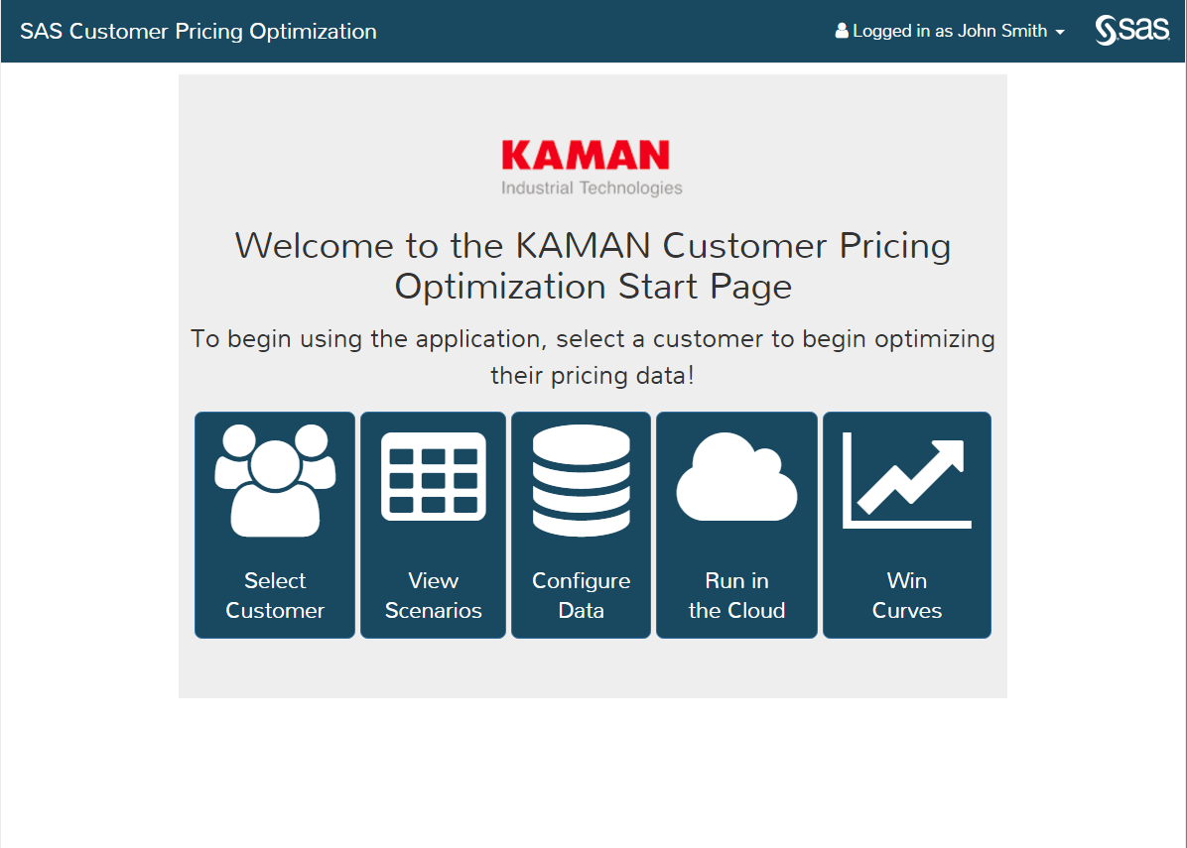

Hi Chris;
I would like to rename these icons
1. Select customer => Review customer performance
2. View scenarios => Review locals exceptions
3. Configure data = > Configure optimization & segmentation parameters
4. Win curves => Optimize MVP (List price) recommendations
5. Run in the cloud

Tab 1 Customer performance
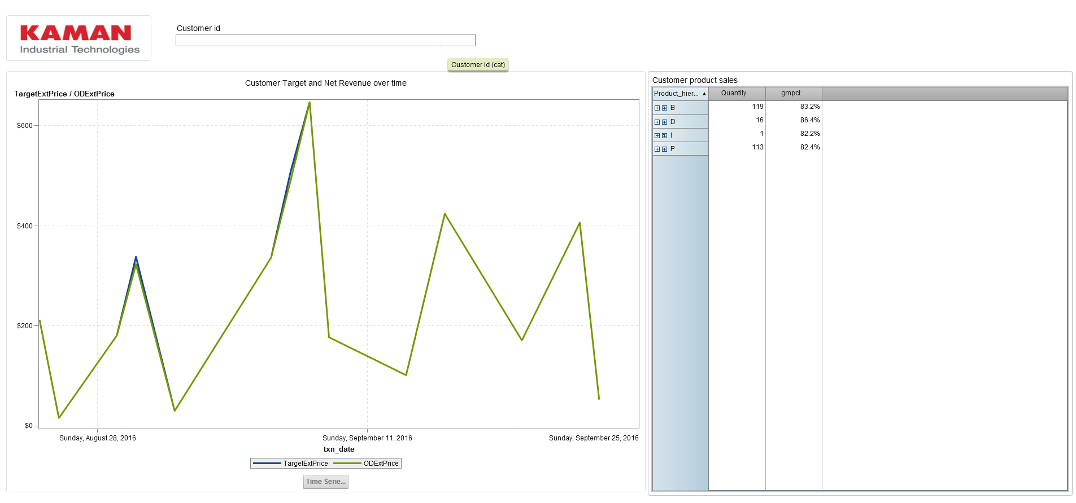
For Tab 1, when they click review customer, we should open a dialog box and ask for a customer id and then should open VA report below (this is guest access and it should fly through without any password issue)
URL: http://orcoevasrv01.na.sas.com/SASVisualAnalyticsViewer/VisualAnalyticsViewer_guest.jsp?reportName=Kaman+Customer+Score+Card&reportPath=/Shared+Data/Kaman

Dialog box
Enter customer id | "Enter custome id"

Tab 2. Local exception recs
Volume
Normalized rate
Matching segment: Large customer spend, PA to CA, Box Car 50, Status is open
Find a lowest matching segment and calculate price envelope
Floor
Target
The SAS System |  |  |  |  |  |  |  | Negotiation Optimization Results

 |  |  |  |  |  |  |  |  |  |  |  |  |  |  |  |  |  |  |  |  | Publish
CTM_ID | Product_hierarchy_1 | Product_hierarchy_2 | Product_hierarchy_3 | ODInvPartNbr | Inv_AreaName | Inv_RegionName | Inv_DistrictName | Level | SegmentID | segment_desc | Customer_Spend | margin_pct | cnt_Level | cnt_SegmentID | floor_margin | target_margin | start_margin | final_margin | Impact at Target price | Details
1 | F | FP | FPC | R20827 | Intermountain/Pacific NW | Idaho | Idaho | 6 | 8153 | Product_hierarchy_1= F Product_hierarchy_2= FP ProductCatCode= FPC Inv_AreaName= Intermountain/Pacific NW Inv_RegionName= Idaho Inv_DistrictName= Idaho | 151.08 | 85.17% | 1 | 1 | 83.00% | 89.00% | 91.00% | 89.00% | $$$ | See details
2 | B | BT | BTU | H247548 | Intermountain/Pacific NW | Mountain West | Wyoming | 6 | 7558 | Product_hierarchy_1= B Product_hierarchy_2= BT ProductCatCode= BTU Inv_AreaName= Intermountain/Pacific NW Inv_RegionName= Mountain West Inv_DistrictName= Wyoming | 5818.28 | 86.27% | 1 | 1 | 84.50% | 90.50% | 92.50% | 90.50% | $$$ | See details
2 | B | BT | BTU | HH144642 | Intermountain/Pacific NW | Mountain West | Wyoming | 6 | 7558 | Product_hierarchy_1= B Product_hierarchy_2= BT ProductCatCode= BTU Inv_AreaName= Intermountain/Pacific NW Inv_RegionName= Mountain West Inv_DistrictName= Wyoming | 4000 | 83.23% | 1 | 1 | 81.00% | 87.00% | 89.00% | 87.00% | $$$ | See details
2 | D | DS | DSP | 1303FEP*1*10LB | Intermountain/Pacific NW | Mountain West | Wyoming | 4 | 1139 | Product_hierarchy_1= D Product_hierarchy_2= DS ProductCatCode= DSP Inv_AreaName= Intermountain/Pacific NW | 3948 | 77.68% | 1 | 1 | 75.50% | 81.50% | 83.50% | 81.50% | $$$ | See details
2 | B | BT | BTU | HH144614 | Intermountain/Pacific NW | Mountain West | Wyoming | 6 | 7558 | Product_hierarchy_1= B Product_hierarchy_2= BT ProductCatCode= BTU Inv_AreaName= Intermountain/Pacific NW Inv_RegionName= Mountain West Inv_DistrictName= Wyoming | 2210.3 | 81.42% | 1 | 1 | 79.50% | 85.50% | 87.50% | 85.50% | $$$ | See details
2 | S | SB | SBZ | 19163 | Intermountain/Pacific NW | Mountain West | Wyoming | 6 | 10920 | Product_hierarchy_1= S Product_hierarchy_2= SB ProductCatCode= SBZ Inv_AreaName= Intermountain/Pacific NW Inv_RegionName= Mountain West Inv_DistrictName= Wyoming | 2023.65 | 87.71% | 1 | 1 | 85.50% | 91.50% | 93.50% | 91.50% | $$$ | See details
2 | B | BT | BTU | H247510 | Intermountain/Pacific NW | Mountain West | Wyoming | 6 | 7558 | Product_hierarchy_1= B Product_hierarchy_2= BT ProductCatCode= BTU Inv_AreaName= Intermountain/Pacific NW Inv_RegionName= Mountain West Inv_DistrictName= Wyoming | 1781.72 | 81.93% | 1 | 1 | 80.00% | 86.00% | 88.00% | 86.00% | $$$ | See details
2 | T | TM | TMZ | TKBA40 | Intermountain/Pacific NW | Mountain West | Wyoming | 5 | 6453 | Product_hierarchy_1= T Product_hierarchy_2= TM ProductCatCode= TMZ Inv_AreaName= Intermountain/Pacific NW Inv_RegionName= Mountain West | 1530.68 | 79.74% | 1 | 1 | 77.50% | 83.50% | 85.50% | 83.50% | $$$ | See details
2 | S | SA | SAA | WEARRESISTPUTTY*1LB | Intermountain/Pacific NW | Mountain West | Wyoming | 6 | 10826 | Product_hierarchy_1= S Product_hierarchy_2= SA ProductCatCode= SAA Inv_AreaName= Intermountain/Pacific NW Inv_RegionName= Mountain West Inv_DistrictName= Wyoming | 1518.24 | 77.69% | 1 | 1 | 75.50% | 81.50% | 83.50% | 81.50% | $$$ | See details
2 | H | HI | HID | FRONTIER250*38*RED | Intermountain/Pacific NW | Mountain West | Wyoming | 6 | 8538 | Product_hierarchy_1= H Product_hierarchy_2= HI ProductCatCode= HID Inv_AreaName= Intermountain/Pacific NW Inv_RegionName= Mountain West Inv_DistrictName= Wyoming | 870 | 80.56% | 1 | 1 | 78.50% | 84.50% | 86.50% | 84.50% | $$$ | See details

Tab 2 old - Local exceptions
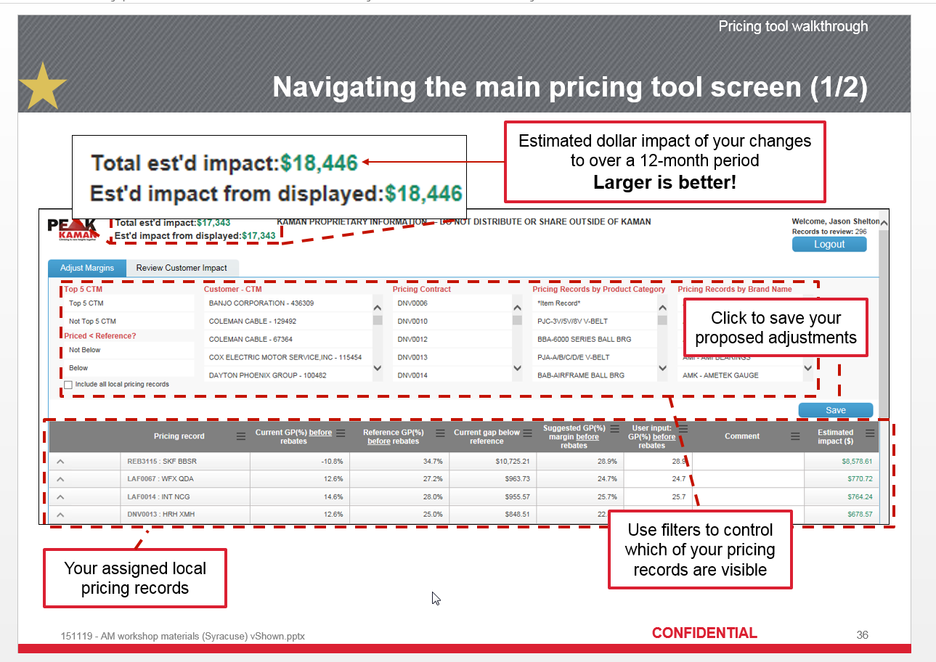

Comments:
- Replace Reference GP %
- Target GP%, Floor% and Start%
and also hyperlink says show me peer groups
-

